MDM
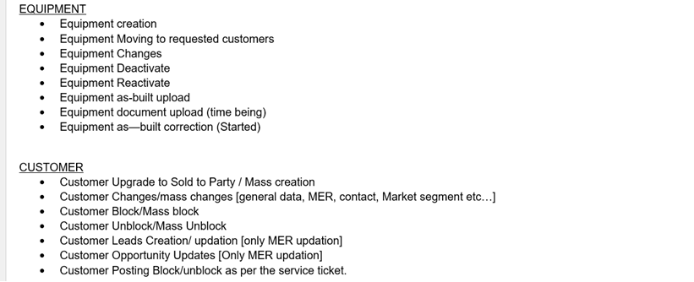
Vendor:-

Vendor Creation
Vendor Changes
Vendor Extension for purchasing organisation and company code level (C.C Only for Project) as well
Vendor Blocking and Unblocking
Vendor Report

Procurement:-

Info Record Upload:- We are uploading new prices for materials.
Info Record Validity Report:- We are created Info Record Validity Report to help lead buyers to maintain info records for their suppliers.
D3/Supplier Code Of Conduct:- We are passing the contract for suppliers to Lead Buyers.
Spent Analysis Report:- How much prices we are spent for suppliers for that we are creating spent analysis report.

Account Paybles:- Posting the vendor invoices.

